Manual Testing
Test case id | Scenario | Steps | Expected Result | Actual Result | Severity | Priority | Evidence
Al1 | Navigation Check | 1.open url 2.click on have a query | Form Should open | pass | High | high | 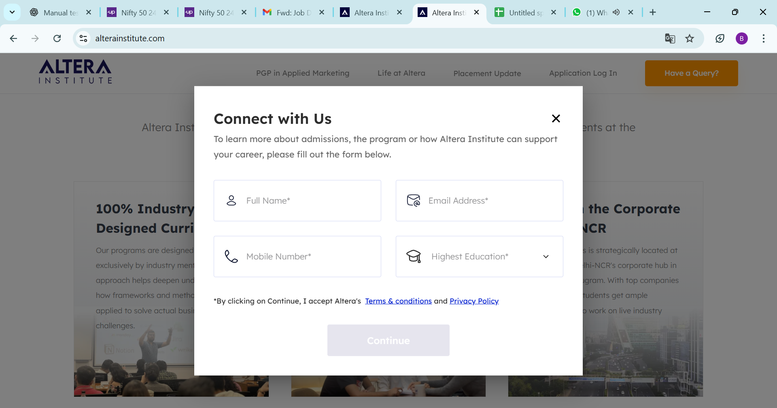
Al2 | content correctness | 1.open url on your browser 2.Check the content of the home page | All content of homepage should correct according to requirment. | pass | medium | low | 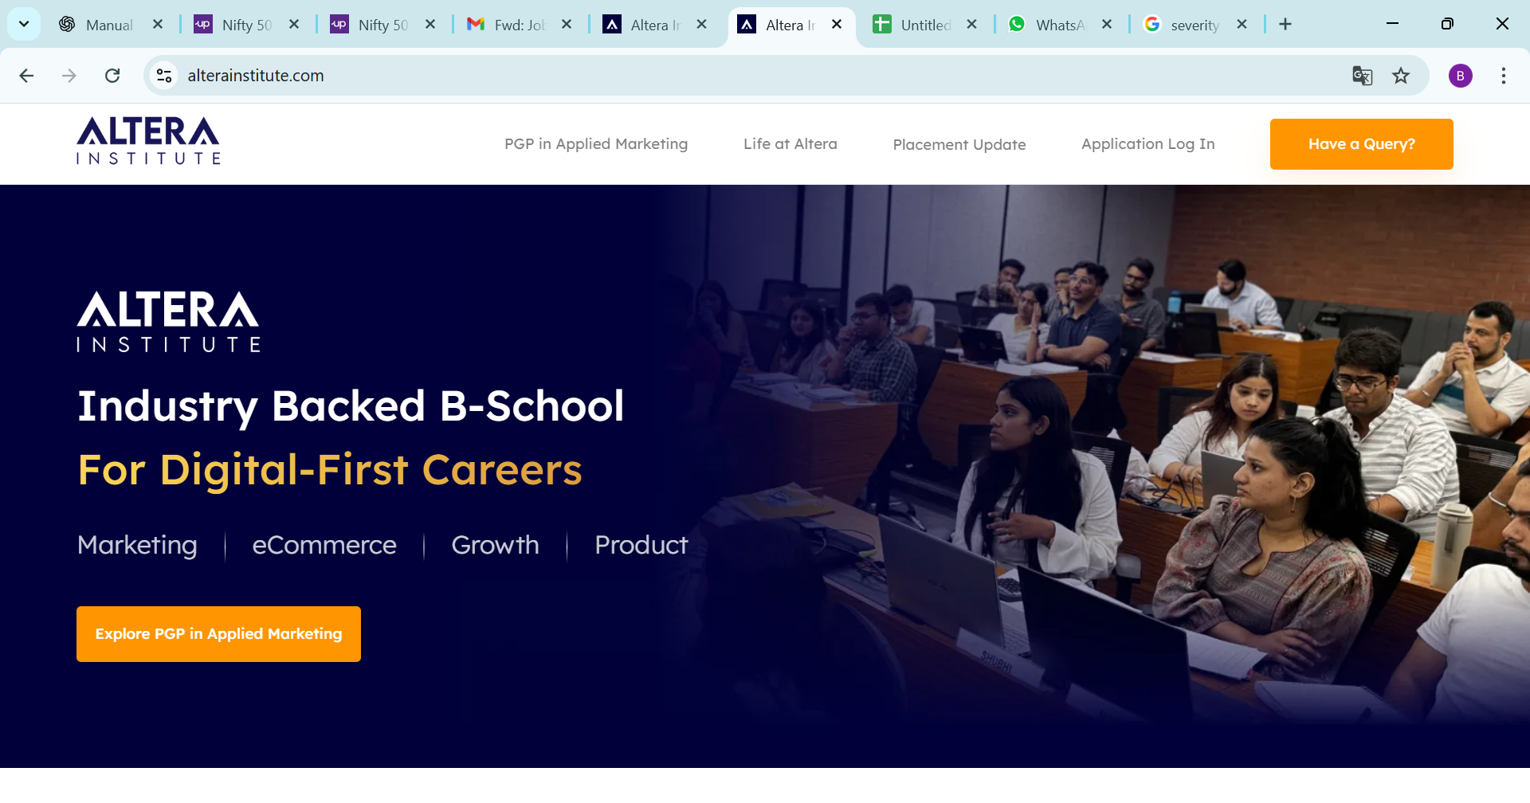
Al3 | forms | 1.open url in browser 2.Click on Explore pgp in applied marketing 3.click on have a query 4.Form Will open | Form Should open,form should fill and submit. | pass | High | high | 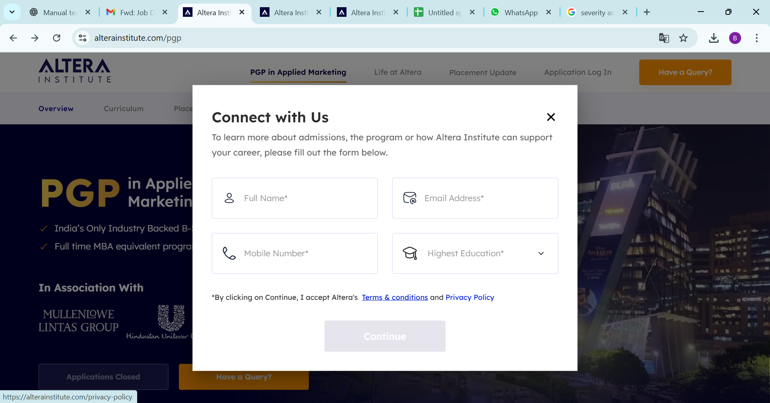
Al4 | responsiveness, | 1.open url 2.check Page Responsiveness on diffrnet type of device . | Application should work perfectly and there should not any responsive issue in diffrent type of device. | Fail 1.There should one side Couser in web mode 2.in iphone 14 pro max-there is design issue.you can check Url https://alterainstitute.com/pgp/admissions .i have also share the screenshot | low | 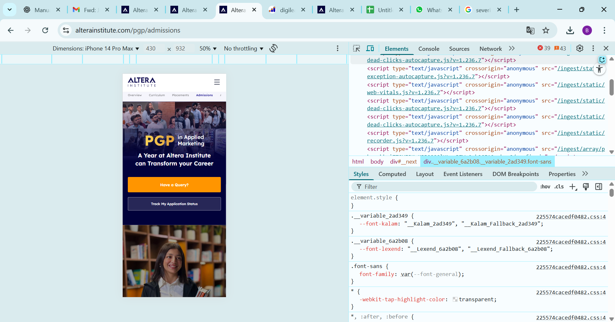 low
Al5 | Broken links | 1.open url 2.check all tab which is available on homepage is working or not. | All Button.links should work of homepage | pass | medium | high

